Sheet1
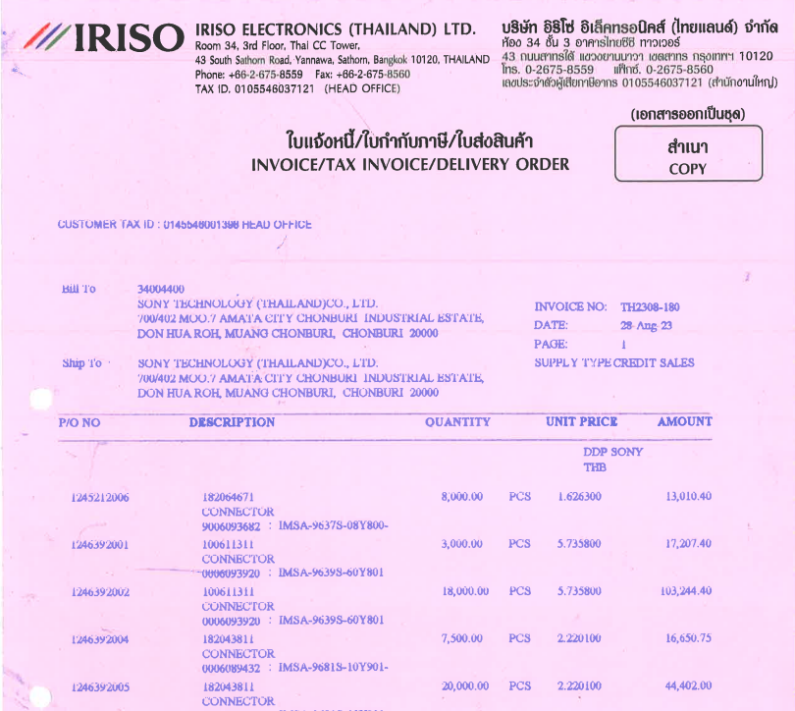

INVOICE _NO

QTY
UNIT_PRICE
PO_NO
ITEM_NO
AMOUNT

